Table 4
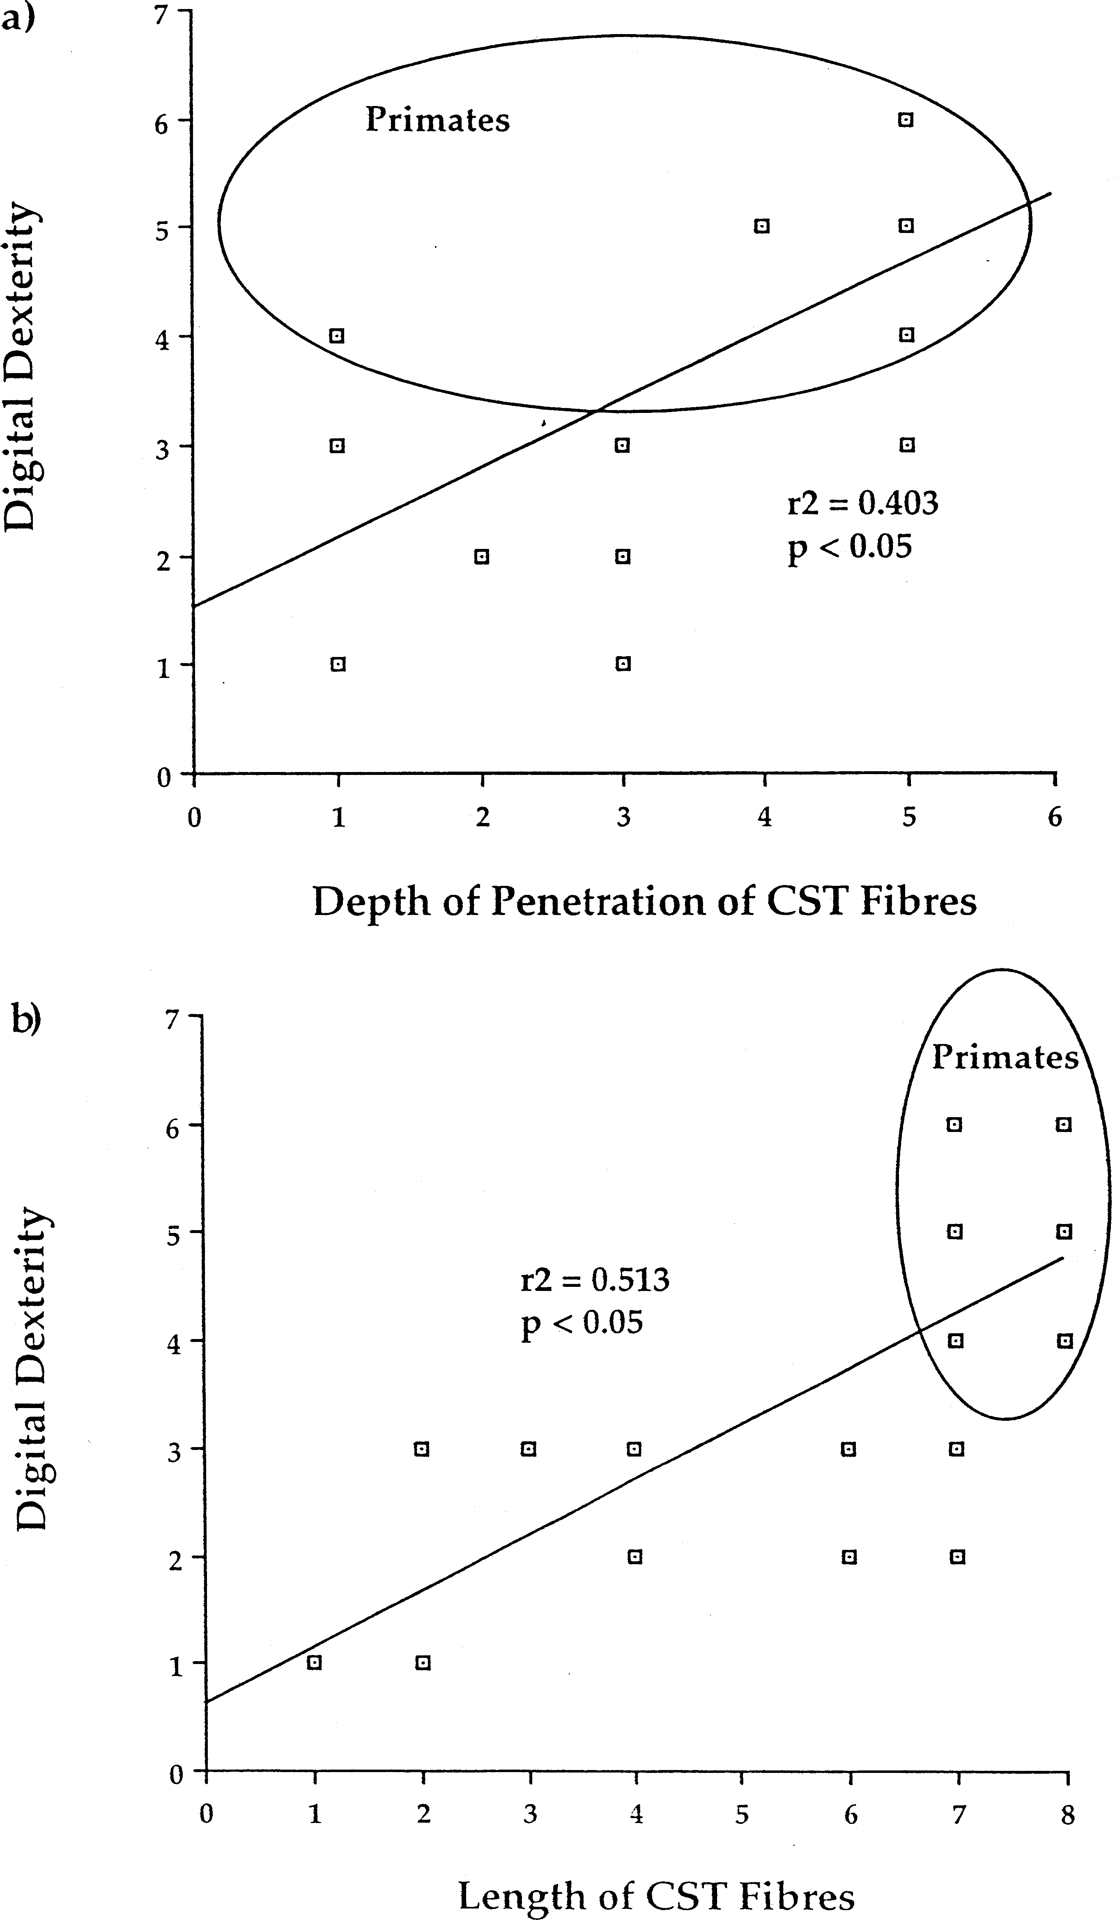
Fig. 1. These two scatterplots are based upon data obtained from Heffner and Masterton [31,32] on the depth of penetration of the corticospinal tract fibres (a) and length of the corticospinal tract (b) and digital dexterity. Note that in both cases primates form a distinct group from all the other data points. It should also be noted that although only five and six data points are visible for the primates, they actually represent 10 different species (see Table 1).
2.2.1. Autocorrelation To first determine whether the over sampling of certain taxa and non-independence of data have af- fected previous results, the amount of phylogenetic | correlation of the anatomy of the corticospinal tract and the behavioural indices was assessed using a Moran’s I-test. A Moran’s I-test reveals the pattern of variation in a trait relative to phylogenetic distance or

Table 5
taxonomic position by examining the amount of co- variance of a trait across taxa divided by a measure of variance [23]. The I statistics are calculated for each level and then plotted on a graph in order to determine where autocorrelation varies the most with taxon level or phylogenetic distance. The rank at which the Moran value is highest is taken as the point at which the greatest amount of phylogenetic correlation occurs [40]. A nested ANOVA or AN- COVA can be used instead of the Moran’s test, but the Moran’s test was chosen in this instance because it incorporates more phylogenetic information than an ANOVA/ANCOVA and thus is less prone to any po- tential source of error derived from non-independence [23]. Once the appropriate level has been determined, us- ing spatial autoregression techniques, the variation in the trait of interest can be divided into two compo- nents: a phylogenetic and an environmental compo- nent [10,23,30]. This is calculated through the use of a weighted matrix which encodes the phylogenetic re- latedness of the species being examined. Using this matrix, predicted values of the trait can be calculated and correlated with the observed values to yield the phylogenetic component of the variation. Thus, if the actual values of the trait are largely predicted by the matrix, then the amount of variation attributable to phylogeny is high. To perform both of these analyses, the phylogenetic autocorrelation (PA) program was used [40]. As branch lengths between such diverse taxa are uncer- tain (also see above) and estimating such relationships is fraught with its own set of complications, taxo- nomic ranks were used to calculate the degree of re- latedness of th | sonably well established. The phylogeny was loaded into the comparative analysis of independent con- trasts (CAIC) program [58], as well as the data set, and the contrasts calculated. All of the traits were considered to be continuous, so the ‘crunch’ option was used as recommended by the authors [58]. This option in the program calculates positive contrasts as those dependent variables which vary in the same di- rection as the independent variable. Conversely, nega- tive contrasts are those dependent variables which vary in the opposite direction to the independent variable. In accordance with previous comparative studies on the corticospinal tract, the depth and length of corti- cospinal fibres were considered to be both dependent and independent variables, depending on the compari- son being made. As the progressive evolution towards a more arboreal and predatory lifestyle is thought to affect the corticospinal tract anatomy [49], length and depth were dependent variables in these instances. Dexterity and hand– eye coordination were, however, examined as independent variables. This is due to the theory that long and deep fibres are required in order for these behaviours to occur [4,31,32,49], as opposed to the occupation of a different ecological niche caus- ing the development of longer and deeper fibres. The output was then regressed through the origin [21], and an F-test for significance was performed on each resulting regression line. 3. Results 3.1. Autocorrelation As there were no congeneric species in this com- parison, the shortest phylogenetic distance which could be examined was that of family, which ade- quately described each species as each one was a rep- resentative of a distinc

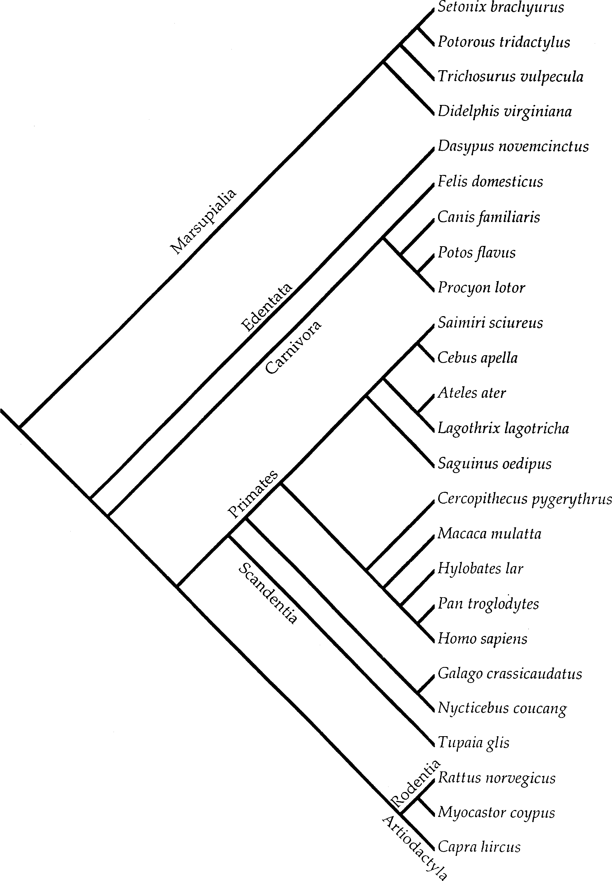
3.2. Independent contrasts All four variables, with the effects of phylogeny removed, were compared against both the length and depth of the corticospinal tract fibres (Figs. 5 – 7). Only two regression lines were statistically significant, that of dexterity and hand– eye coordination with the length of the corticospinal tract (Fig. 5b and Fig. 6c). Conversely, no significant relationship was observed between the depth of penetration of corticospinal tract fibres for any of the four variables (Fig. 5aFig. 7), nor was any relationship observed between diet and arboreality and length of the corticospinal tract (Fig. 6a and b). Note that the relationships between depth and length of the corticospinal tract and dex- terity are quite different from that of the raw data (Fig. 1), once the effects of phylogeny are removed (Fig. 5). | 4. Discussion 4.1. Usefulness of comparative methods in neuroethology This study demonstrates that once phylogeny is ac- counted for, the synthesis of neuroanatomy and be- haviour can change significantly, especially when data from some groups are over-represented in the sample. The push to use comparative techniques which incorpo- rate phylogeny has been overwhelming and some meth- ods require improvement (e.g. using specific sets of F-ratios calculated from simulations of data to yield more accurate degrees of freedom and p-values [20] before they can yield more accurate results; see also Refs. [3,59]). Concern has also been raised in the literature regard- ing the use of different branch lengths [13,20,21]. Al-
Fig. 2. This is the theorised phylogeny of the 25 species examined. Branching points for higher level taxa were largely taken from Novacek [47]. The branching of the marsupials is based on that of Springer and Kirsch [62] and of primates from Purvis [55].

Table 6
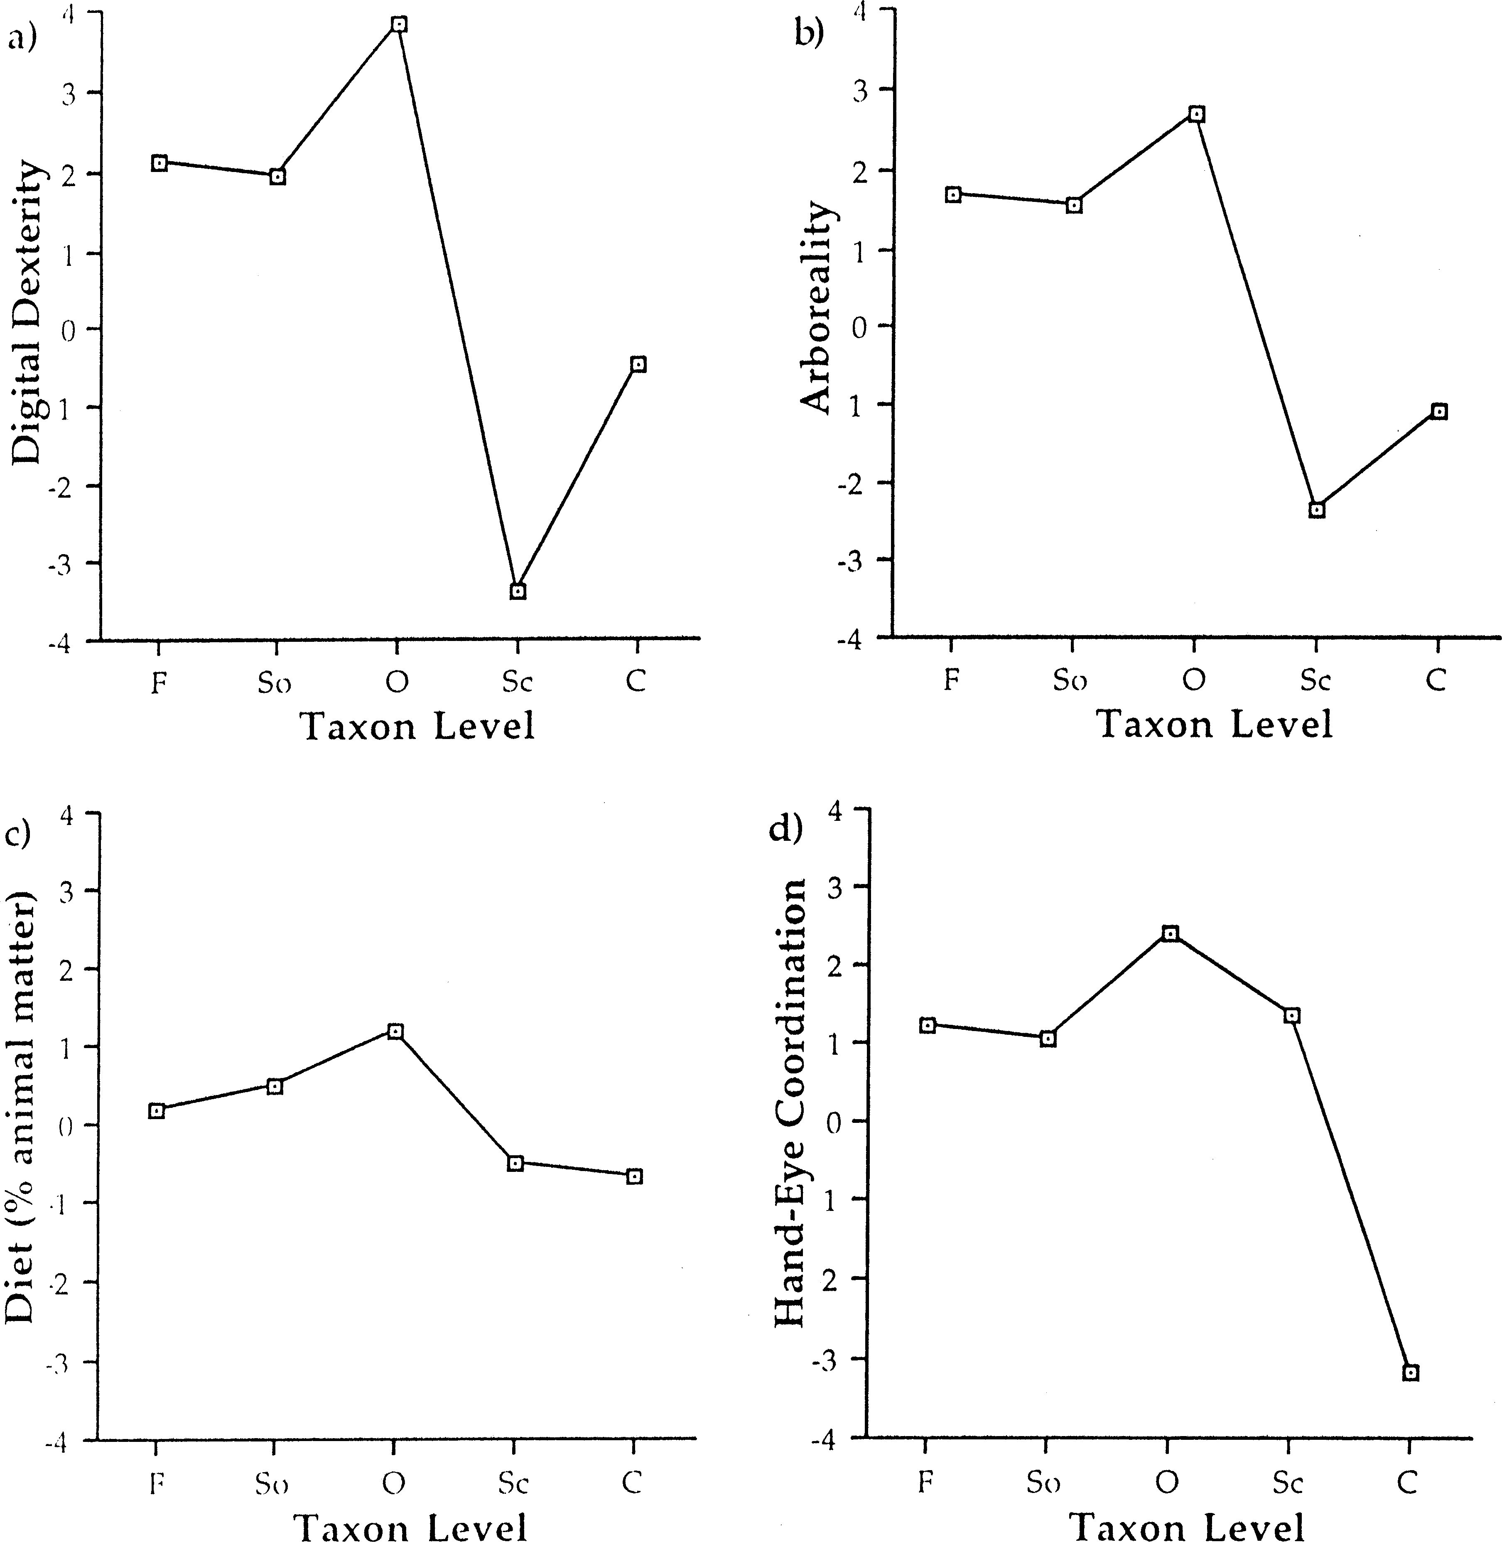
Fig. 3. The results of Moran’s I-test for phylogenetic correlation for (a) the depth of penetration of the corticospinal tract and (b) length of the corticospinal tract. The y-axis represents the z-scores calculated from the Moran portion of the PA program and the x-axis, the taxonomic levels at which the values were calculated. Note that there is no genus level as there were no congeneric species in this study.
though the use of equal branch lengths has been sug- gested to be the more reliable and conservative ap- proach [15,45], we did test the independent contrasts to determine whether they had been adequately standard- | ised following the procedures outlined in Garland et al. [21]. The regressions of the absolute values of the independent contrasts against the square-roots of the branch lengths indicates that all of the contrasts, except
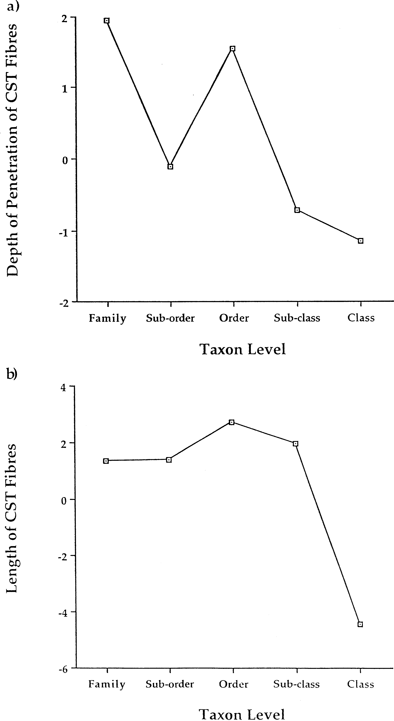

for hand– eye coordination, were adequately standard- ised (Table 3). Thus, the results obtained above have been effectual in incorporating phylogenetic informa- tion without introducing any additional biases. The lack of proper standardisation of the hand– eye coordi- nation index is problematic, but likely results from the inadequacy of the index itself (see below), rather than any inherent problems in the statistical methods employed. Regardless of the statistical concerns with regard to these comparative methods, we feel that the incorpora- tion of phylogenetic information at any level outweighs any potential costs of increased type II error rate | [13,19,20,30]. Therefore, based upon our own results using Heffner and Masterton’s data set, we highly recommend the use of comparative methods in deter- mining the relationship between structure and function in an interspecific fashion. 4.2. Phylogenetic correlation of the data The high amount of phylogenetic correlation with order level taxa supports one of our original hypotheses that there may be a polarising effect in the analysis of the descending pathways of the spinal cord. This is best shown by the partitioning of the variance in the length
Fig. 4. The results of Moran’s I-test for phylogenetic correlation for the four behavioural measures: (a) dexterity, (b) arboreality, (c) diet and (d) hand– eye coordination. As with Fig. 3,the y-axis represents the z-scores calculated by the PA program for each taxonomic level (x-axis). The taxon levels are as follows: ‘F’, family; ‘So’, sub-order; ‘O’, order; ‘Sc’, sub-class; and ‘C’, class. All four of the measures showed the highest amount of correlation with phylogeny at the order level.

Table 8
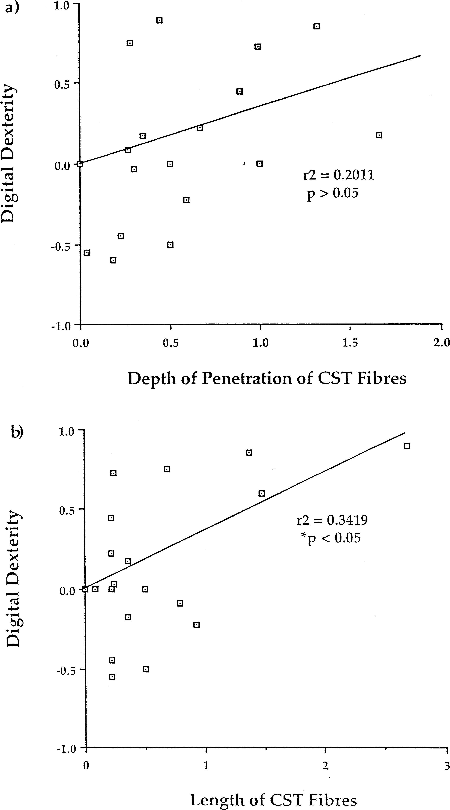
been used in the examination of marsupial dexterity [34], but the extent to which this new index can be readily applied to other species has yet to be fully evaluated. The functional significance of the length of the corti- cospinal tract has yet to be fully explored. It is interest- ing, however, that even without the large amount of phylogenetic correlation for both dexterity and length of fibres, there is still a significant relationship. Clearly, | this is an area for further research with respect to how the length of the corticospinal tract results in a greater amount of dexterity and has interesting repercussions when considering the correlated evolution of the tract and digital dexterity (see below). Most of the research into digital dexterity has been primarily concerned with the depth of penetration of corticospinal fibres. It has been stated repeatedly throughout the literature that the primary factor medi-
Fig. 5. These graphs represent the regression lines through the origin and plots of the independent contrasts calculated by CAIC for both the length (a) and depth of penetration (b) of the corticospinal fibres and digital dexterity. The only significant regression line is that of the length of corticospinal fibres and digital dexterity.

Table 9
Fig. 6. These graphs represent the independent contrasts calculated for the length of the corticospinal fibres and the following behavioural variables: (a) arboreality, (b) diet and (c) hand– eye coordination. Only the relationship between the fibre length and hand– eye coordination was significant.
ating the degree of dexterity exhibited by a species is the depth to which the corticospinal tract penetrates [4,31,32,55]. The most often cited reason for such a relationship is that the deeper the fibres penetrate, the greater the amount of direct corticomotoneuronal con- nections. Recent evidence has suggested, however, that penetration to lamina IX may not be essential for direct connections to occur [41]. In fact, connections to lami- nae VII and VIII may be sufficient, which may explain the lack of relationship found between fibre depth and dexterity observed in this study. | 4.4. Arboreality The lack of a significant relationship between the corticospinal tract anatomy and degree of arboreality casts some doubt upon the hypothesis that a long and deep corticospinal tract is required for fine control of the hand. Most arboreal mammals, and particularly those examined in this study, use their hands exten- sively in arboreal locomotion [9]. In fact, in some species, such as those moving around in the fine branch domain (e.g. slow loris), one could make the claim that
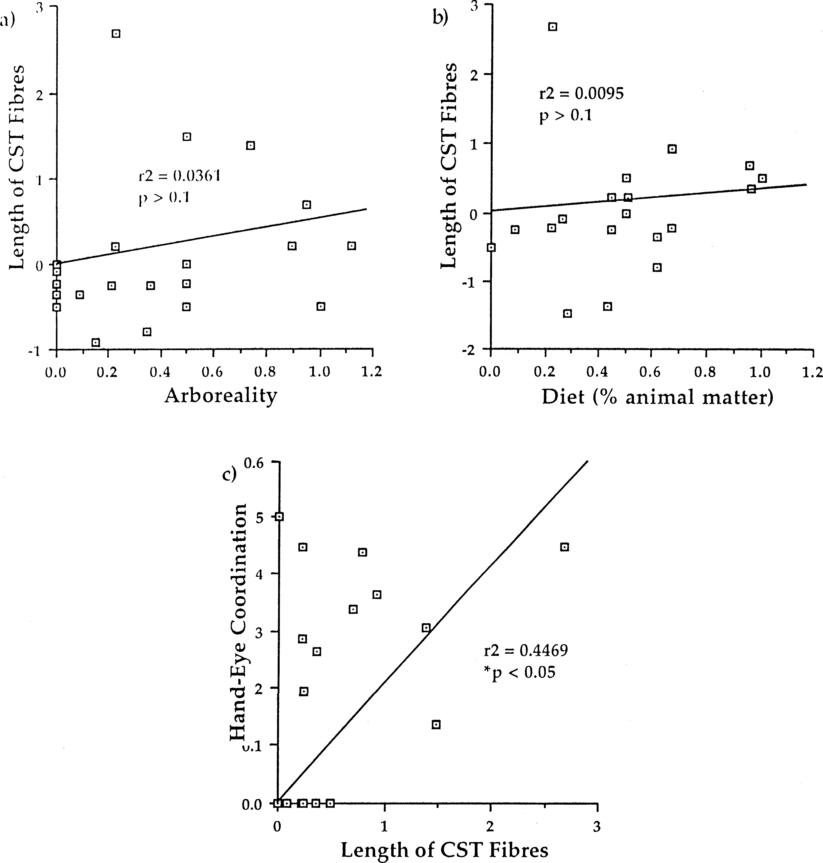

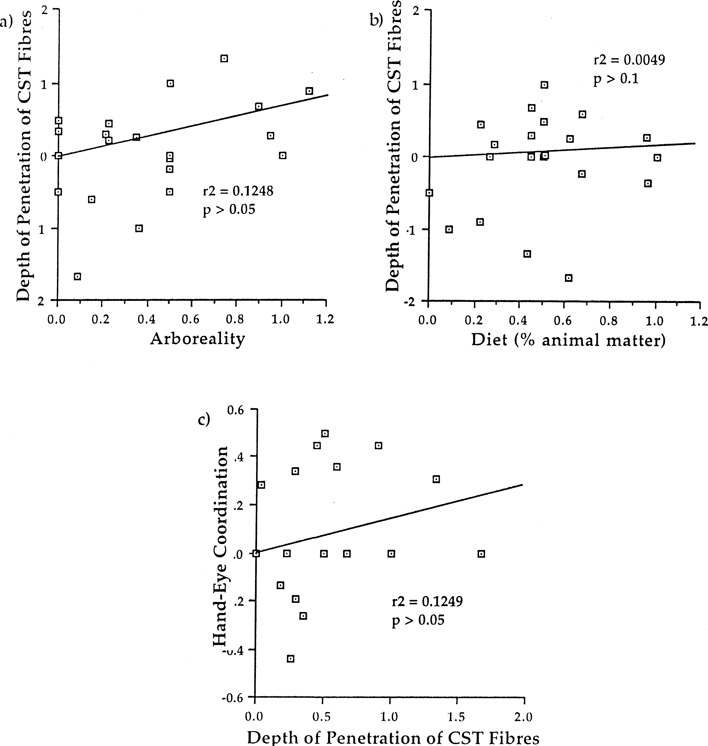
fine motor control is required for effective arboreal locomotion. Thus, a lack of a significant relationship between arboreality and the corticospinal tract may suggest that the corticospinal tract is not essential for grasping per se, but for some other factor which is related to hand-use. Furthermore, Grillner’s theory [27] that skilled limb use is derived from arboreal locomo- tion does not appear to hold with respect to the anatomy of the corticospinal tract. | 4.5. Diet It has been previously suggested that dexterity is related, to some extent, to the degree of carnivory [22] and earlier comparative analyses of neuroanatomical data frequently incorporate diet at some level, e.g. [49,50]. We found no evidence, however, of a significant relationship between our diet measure and corticospinal tract anatomy. This may also be an artifact of the
Fig. 7. These graphs represent the independent contrasts calculated for the depth of penetration of the corticospinal fibres and the following behavioural variables: (a) arboreality, (b) diet and (c) hand– eye coordination. None of the relationships were significant.

